Лист1 (2)
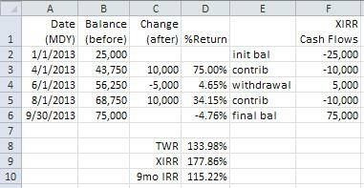
 | Date | Balance | Change | %Return |  | XIRR Cash Flows
 | 2013-01-01 | 25000 |  |  |  | -900000
 | 2014-01-01 | 43750 | 10000 | 75.00% |  | 500000
 | 2014-03-12 | 56250 | -5000 | 4.65% |  | 300000
 | 2016-01-01 | 68750 | 10000 | 34.15% |  | 300000
-1195.109806 | 2013-09-30 | 75000 |  | -4.76% |  | -10000
 | 2012-09-22 21:21:52 | 10 |  |  | year
 |  |  | twr | 133.98% | 1.7863490263
 |  |  | xirr | 13.81%
 |  |  | 9 mo irr | 9.64% | 0.092463831062
 | 1

 | https://answers.microsoft.com/en-us/msoffice/forum/all/calculating-investment-return-with-known-cashflows/3cbfe4b1-06cb-49aa-aa85-4ea26a3ece70

 | 1/1/2013 $25,000 starting balance

 | 1/4/2013 $10,000 additional contribution

 | 1/6/2013 $5,000 withdrawal

 | 1/8/2013 $10,000 additional contribution

 | 30/9/2013 $75,000 end balance

